Workflow1
Name | Time per Task (seconds) | Quality (%)
Charlie | 1.5 | 91.4
Indu | 1.6 | 92.9
Prajwal | 1.7 | 92.5
Vimla | 0.9 | 87
Amit | 2.2 | 92.5 |  | Q1. Calculate the average TPT and average Quality score for both workflows
Binny | 0.7 | 85
Pradyut | 2.3 | 91.6 |  | Q2. Calculate the standard deviation of TPT and Quality score for both workflows
Diwakar | 0.6 | 96
Amrit | 1.2 | 92.9 |  | Q3. Which workflow has larger standard deviation in respect to TPT?
Debdas | 1.2 | 92.5
Anika | 1.4 | 91.5 | Ans:- | Workflow 1 has the largest Standard Deviation as per the TPT
Haritha | 1.4 | 91.7
Dhanya | 1.6 | 92.3 |  | Q4. what is Standard deviation of Quality for both workflows
Venkat | 1.7 | 91.7
Afzal | 2.2 | 92.1 | Ans:- | Workflow 1 | Workflow 2
Prachi | 2.2 | 92.1 |  | 2.3952120988 | 0.41650442474
Anushka | 2.2 | 85
Firoza | 2.3 | 92.1 |  | Q5. Prepare Histogram for TPT against both the workflows
Mange | 2.1 | 92.6
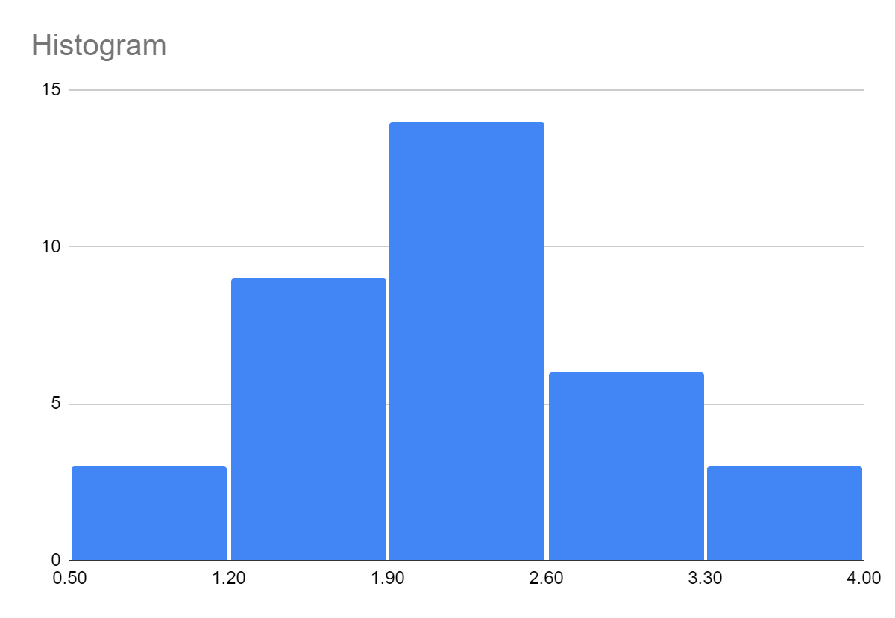
Vimal | 2.3 | 92.6
Dipa | 2.3 | 92.2 | Ans:-
Anand | 2.4 | 93.8
Gopal | 1.9 | 91.9
Vijay | 1.9 | 92.3
Preetha | 2.2 | 92
Nupur | 2.2 | 91.8
Neha | 3.2 | 92.2
Deepa | 2.7 | 92
Aniket | 3.2 | 91.9
Dhruti | 2.7 | 92.4
Wasim | 3.4 | 91.8
Arohi | 2.9 | 92.7
Vinay | 2.8 | 92.4
Praveen | 3.6 | 85
Biju | 3.5 | 84
Average | 2.12 | 91.325714286
Standard Deviation | 0.76650467172 | 2.6820035155
 |  |  |  | Q6. Prepare Scatter Plot for TPT vs. Quality for both the workflows
TPT vs. Quality
 | Quality (%)
2.1 | 91.8
2.5 | 91.7
2.2 | 92.1
2.3 | 92.6
2 | 91.5
1.9 | 91.9
2.3 | 92.7
2.2 | 91.4
1.6 | 92.2
1.9 | 92
2.3 | 92.3
2.6 | 91.9
2.2 | 92.4
2.4 | 92.6
2.3 | 91.7
2.2 | 92.5
2.4 | 91.8
1.9 | 92.7
2.5 | 91.4
2.2 | 91.9
2.2 | 92.5
2.1 | 92.2
1.7 | 91.6
2.2 | 92.3
2 | 92
1.8 | 91.8
1.7 | 92.4
2.3 | 92.1
2.4 | 91.7
2 | 92.6
2.2 | 91.5
1.8 | 91.9
2.1 | 92.7
1.7 | 91.4
2 | 92.2

 |  |  | Ans:-

Workflow2
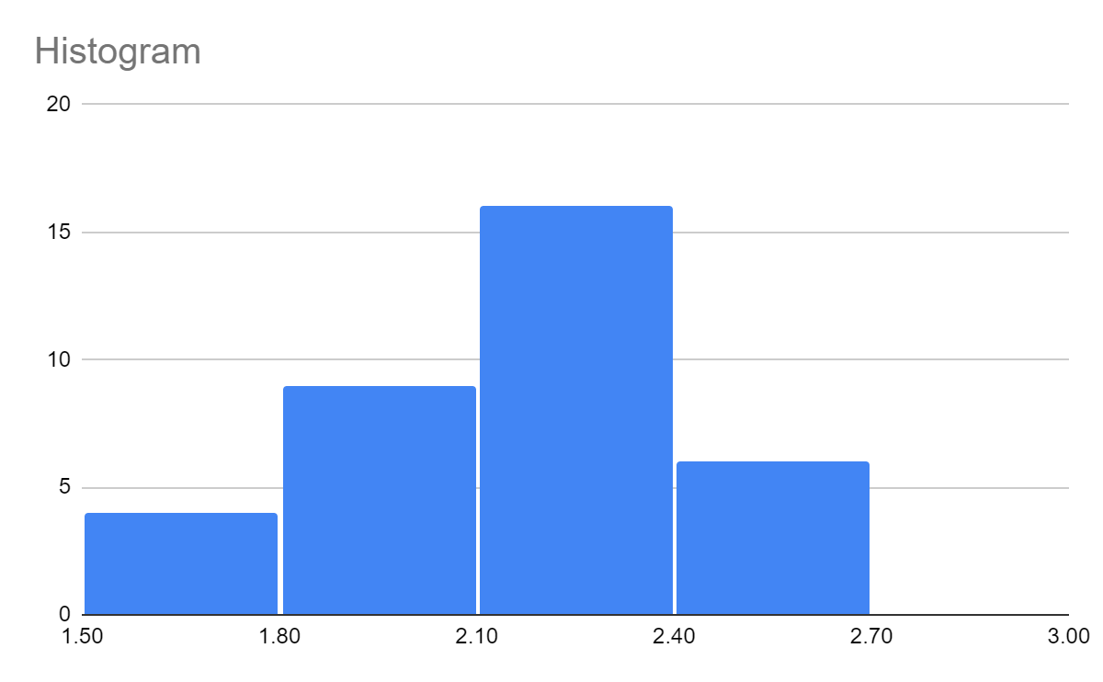
Name | Time per Task (seconds) | Quality (%)
Anand | 2.1 | 91.8 |  | Q5. Prepare Histogram for TPT against both the workflows
Amit | 2.5 | 91.7
Aniket | 2.2 | 92.1 | Ans:-
Afzal | 2.3 | 92.6
Arohi | 2 | 91.5
Anika | 1.9 | 91.9
Anushka | 2.3 | 92.7
Amrit | 2.2 | 91.4
Biju | 1.6 | 92.2
Binny | 1.9 | 92
Charlie | 2.3 | 92.3
Dipa | 2.6 | 91.9
Deepa | 2.2 | 92.4
Diwakar | 2.4 | 92.6
Dhruti | 2.3 | 91.7
Dhanya | 2.2 | 92.5
Firoza | 2.4 | 91.8
Gopal | 1.9 | 92.7
Debdas | 2.5 | 91.4 |  | Q6. Prepare Scatter Plot for TPT vs. Quality for both the workflows
TPT vs. Quality
 | Quality (%)
2.1 | 91.8
2.5 | 91.7
2.2 | 92.1
2.3 | 92.6
2 | 91.5
1.9 | 91.9
2.3 | 92.7
2.2 | 91.4
1.6 | 92.2
1.9 | 92
2.3 | 92.3
2.6 | 91.9
2.2 | 92.4
2.4 | 92.6
2.3 | 91.7
2.2 | 92.5
2.4 | 91.8
1.9 | 92.7
2.5 | 91.4
2.2 | 91.9
2.2 | 92.5
2.1 | 92.2
1.7 | 91.6
2.2 | 92.3
2 | 92
1.8 | 91.8
1.7 | 92.4
2.3 | 92.1
2.4 | 91.7
2 | 92.6
2.2 | 91.5
1.8 | 91.9
2.1 | 92.7
1.7 | 91.4
2 | 92.2
Haritha | 2.2 | 91.9 | Ans:-
Indu | 2.2 | 92.5
Mange | 2.1 | 92.2
Nupur | 1.7 | 91.6
Neha | 2.2 | 92.3
Praveen | 2 | 92
Pradyut | 1.8 | 91.8
Prajwal | 1.7 | 92.4
Prachi | 2.3 | 92.1
Preetha | 2.4 | 91.7
Wasim | 2 | 92.6
Vinay | 2.2 | 91.5
Vijay | 1.8 | 91.9
Venkat | 2.1 | 92.7
Vimla | 1.7 | 91.4
Vimal | 2 | 92.2
Average | 2.12 | 92.057142857
Standard Deviation | 0.25298221281 | 0.41108587502

